Dashboard
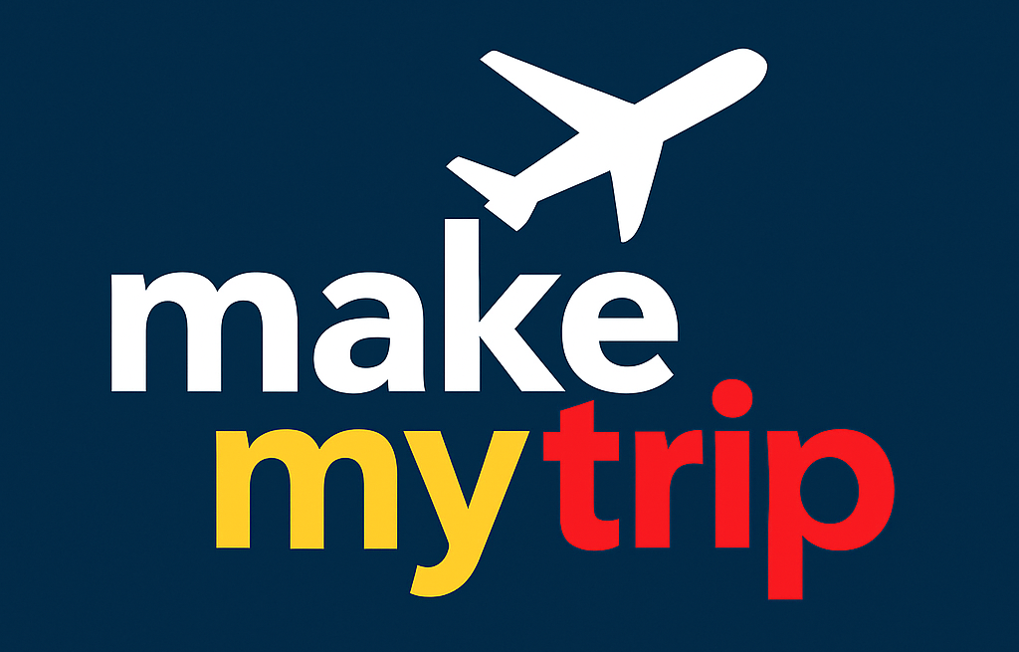

MakeMyTrip Customer & Booking Trends Dashboard

Most Preferred Hotels by Users
 | Total
Hyatt | 639
ITC | 602
Leela | 611
Marriott | 630
None | 628
Oberoi | 643
Radisson | 631
Taj | 628
 | Total
Cancelled | 3350
Confirmed | 3270
Pending | 3380
Overall Booking Status Summary

Promo Code Usage Summary
 | Total
HOLIDAY10 | 1995
MMT100 | 2011
TRAVEL50 | 1972
WELCOME5 | 2024
Average Trip Duration by Destination
 | Total
Andaman | 90.95
Darjeeling | 90.09
Goa | 89.18
Jaipur | 90.97
Kerala | 90.88
Leh | 89.07
Manali | 90.41
Shimla | 90.45

Average Ticket Price by Destination and Mode of Transport
 | Bus | Car Rental | Flight | Train
Andaman | 51614 | 51389 | 49449 | 51489
Darjeeling | 51044 | 52028 | 49962 | 49680
Goa | 52939 | 49857 | 49283 | 50192
Jaipur | 52301 | 51172 | 52816 | 52739
Kerala | 50490 | 49674 | 52041 | 50298
Leh | 49339 | 49811 | 50375 | 50825
Manali | 49284 | 50857 | 53653 | 52536
Shimla | 52966 | 51091 | 51660 | 53210

Most Booked Holiday Destinations
 | Total
Andaman | 1220
Kerala | 1220
Shimla | 1224
Jaipur | 1232
Goa | 1240
Darjeeling | 1250
Leh | 1299
Manali | 1315

